Sheet1
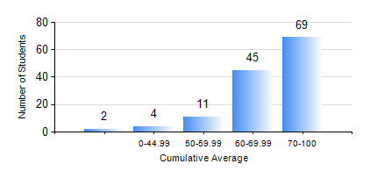
 |  |  | KWAME NKRUMAH UNIVERSITY OF SCIENCE AND TECHNOLOGY, KUMASI Department of Chemical Engineering

 |  |  | BSC. PETROCHEMICAL ENG.

 |  |  | COMPREHENSIVE RECORD OF EXAMINATION RESULTS

 |  |  | RESULTS OF YEAR 1 FIRST SEMESTER, 2020/2021 ACADEMIC YEAR

 | Sn | Course Code |  | Course Name | Credit Hours | Min. Mark | Max. Mark | Avg. Mark | Std. Dev. | No. Passed | No. Trailed | No. (Df) | No. (I) | No. (I*) | No. Tagged(I,I*,Df) | Total
 | 0. |  |  |  |  |  |  | 0 | 0 | 0 | 0 | 0 | 0 | 0 | 0 | 3
 | 1. | CHE 151 |  | INORGANIC CHEMISTRY FOR ENGINEERS | 2 | 0 | 96 | 67 | 16.26 | 123 | 4 | 0 | 1 | 0 | 1 | 128
 | 2. | CHE 153 |  | ORGANIC CHEMISTRY FOR ENGINEERS | 2 | 0 | 89 | 63 | 15.65 | 123 | 4 | 0 | 1 | 0 | 1 | 128
 | 3. | CHEM 169 |  | PRACTICAL CHEMISTRY I | 3 | 0 | 89 | 71 | 14.95 | 124 | 4 | 0 | 0 | 0 | 0 | 128
 | 4. | EE 151 |  | APPLIED ELECTRICITY | 3 | 0 | 100 | 74 | 18.95 | 123 | 4 | 0 | 1 | 0 | 1 | 128
 | 5. | ENGL 157 |  | COMMUNICATION SKILLS I | 2 | 0 | 86 | 71 | 14.31 | 123 | 4 | 0 | 1 | 0 | 1 | 128
 | 6. | MATH 151 |  | ALGEBRA | 4 | 0 | 96 | 70 | 15.55 | 123 | 4 | 0 | 1 | 0 | 1 | 128
 | 7. | ME 159 |  | TECHNICAL DRAWING | 2 | 0 | 82 | 57 | 14.92 | 123 | 5 | 0 | 0 | 0 | 0 | 128

